index
 | Answer all 7 questions to generate a risk estimate:
 | Refer to notes below for additional information and context.

 | 1. What is the age of the patient? *
 | 2. How many years of education did they receive? †
 | 3. Are they female or male?
 | 4. Does the patient have a history of diabetes?
 | 5. What is the severity of the stroke? ‡
 | 6. Did the patient have a stroke previous to the the current one?
 | 7. Does your patient reside in a country with low current health expenditure per capita? §

 | Probability of dementia occuring over 5 years post-stroke:

 | NOTES:
 | *This instrument is valid only for individuals aged 32–96. †See Box 1 for examples of qualifications and their equivalent years of education. Values >23 years are capped. ‡ See Box 2 for commonly used stroke scales and cut-off points for mild and moderate/severe strokes. § See Box 3 for a list of countries with low current health expenditure (CHE) per capita. This prediction model was developed using data that included four studies from Bulgaria, Poland, and Nigeria. It may be generalisable to other countries in Eastern Europe, Africa, or nations with low CHE per capita; however, this has not been validated. Regional refinement may be needed, and probabilities from these regions should be interpreted with caution until further validation is available.
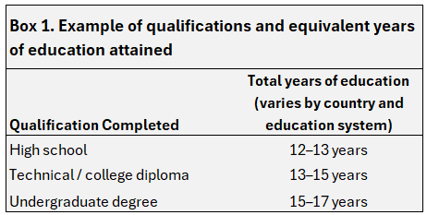 | 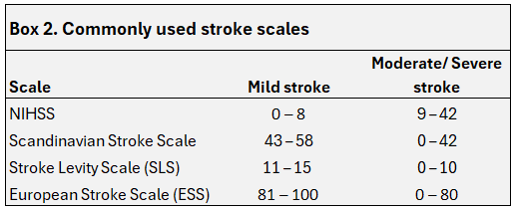

 | Box 3. Countires with current health expenditure (CHE) per capita <$1500 in 2022
 | Somalia
 | Madagascar
 | Democratic Republic of the Congo
 | Burundi
 | Niger
 | Ethiopia
 | Eritrea
 | Gambia
 | Mali
 | Sudan
 | Benin
 | Syrian Arab Republic
 | United Republic of Tanzania
 | Yemen
 | Pakistan
 | Sierra Leone
 | Malawi
 | Chad
 | Lao People's Democratic Republic
 | Uganda
 | Central African Republic
 | South Sudan
 | Mozambique
 | Congo
 | Haiti
 | Togo
 | Guinea
 | Burkina Faso
 | Myanmar
 | Bangladesh
 | Senegal
 | Guinea-Bissau
 | Zimbabwe
 | Cameroon
 | Zambia
 | Rwanda
 | Tajikistan
 | India
 | Afghanistan
 | Papua New Guinea
 | Djibouti
 | Ghana
 | Kyrgyzstan
 | Côte d'Ivoire
 | Nepal
 | Mauritania
 | Kenya
 | Nigeria
 | Solomon Islands
 | Liberia
 | Angola
 | Cambodia
 | Comoros
 | Indonesia
 | Lesotho
 | Vanuatu
 | Sri Lanka
 | Bhutan
 | Uzbekistan
 | Egypt
 | Timor-Leste
 | Algeria
 | Sao Tome and Principe
 | Philippines
 | Viet Nam
 | Equatorial Guinea
 | Morocco
 | Nicaragua
 | Venezuela (Bolivarian Republic of)
 | Fiji
 | Kiribati
 | Samoa
 | Iran (Islamic Republic of)
 | Gabon
 | Honduras
 | Iraq
 | Tunisia
 | Libya
 | Eswatini
 | Cabo Verde
 | Jordan
 | Belize
 | Azerbaijan
 | Bolivia (Plurinational State of)
 | Suriname
 | occupied Palestinian territory, including east Jerusalem
 | Thailand
 | Tonga
 | Türkiye
 | Lebanon
 | Guatemala
 | Micronesia (Federated States of)
 | Republic of Moldova
 | Namibia
 | Albania
 | Kazakhstan
 | Saint Vincent and the Grenadines
 | Peru
 | Mongolia
 | Malaysia
 | Dominican Republic
 | Jamaica
 | Georgia
 | Botswana
 | Paraguay
 | Ecuador
 | El Salvador
 | Colombia
 | Grenada
 | Belarus
 | Guyana
 | North Macedonia
 | South Africa
 | Dominica
 | Turkmenistan
 | Mauritius
 | Saint Lucia
 | Mexico
 | Brunei Darussalam
 | Bosnia and Herzegovina
 | China
 | Armenia
 | Seychelles
 | Oman
 | Marshall Islands
 | Brazil
 | Romania
 | Serbia
 | Costa Rica
 | Bulgaria
 | Russian Federation
 | Tuvalu
 | Antigua and Barbuda
 | Montenegro
 | Bahrain
 | Cook Islands
 | Maldives
 | Saint Kitts and Nevis
 | Poland
 | Hungary
 | Trinidad and Tobago
 | Barbados
 | Croatia
 | Argentina
 | Panama

